Sheet1
cropping methods | weather sensitivity | Evaporation Inhibition Coefficient | Year 1 | Year 2 | Year 3 | Year 4 | Year 5

row intercropping | 1 | 0 | 1.09 | 1.03 | 1.17 | 0.92 | 1.2
trap intercropping | 1 | 0 | 1.63 | 0.97 | 1.03 | 0.9 | 1.9
guard intercropping | 0.7 | 0.2 | 1.48 | 1.41 | 1.03 | 1.04 | 1.12

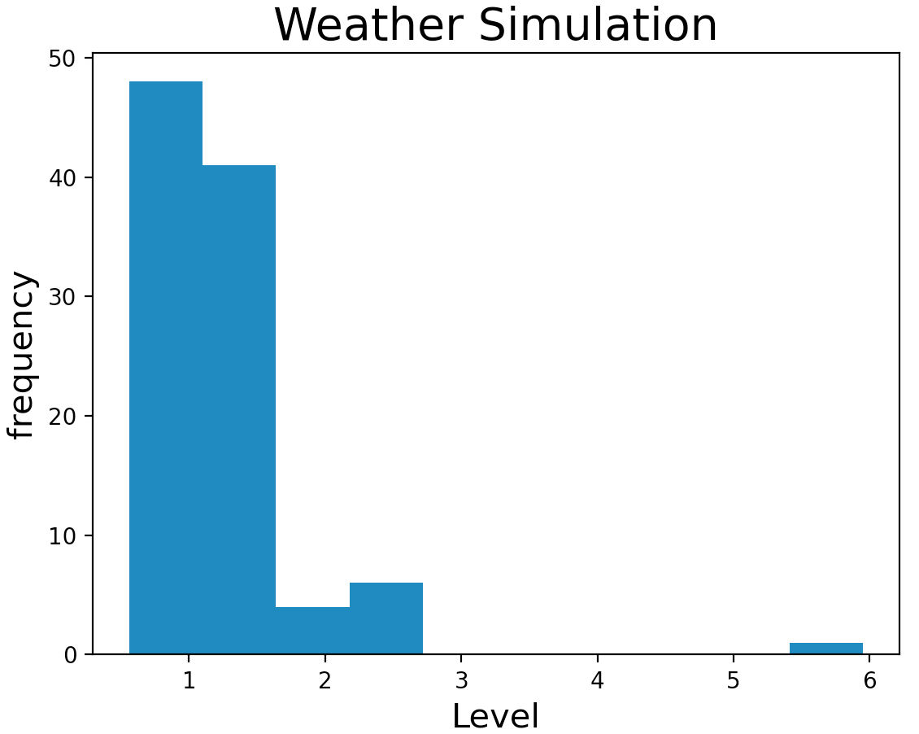
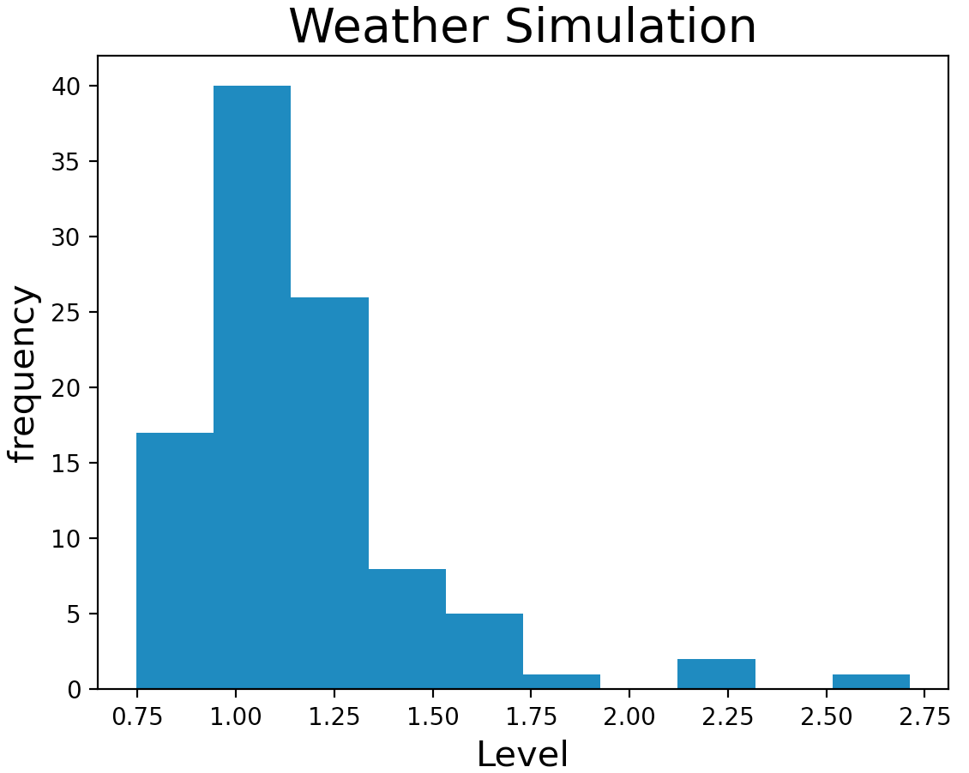
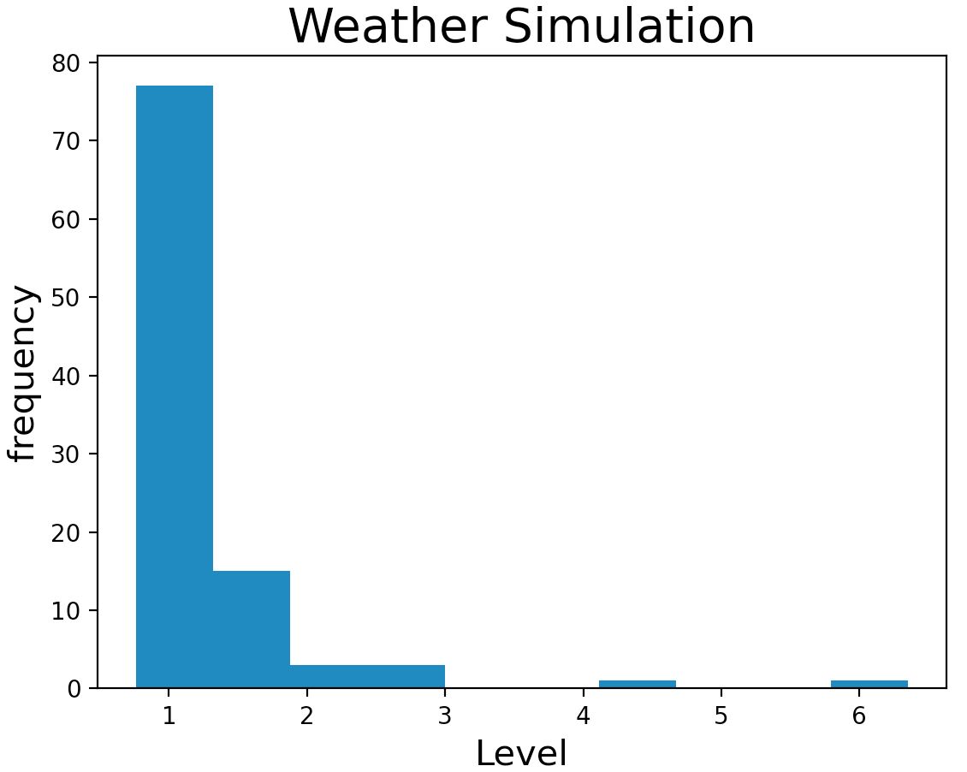

Examples of simulated precipitation
sample size = 100
take the average here to reduce tunning time of calculator

